Sheet1
 | The design is all images so we need to work with area/map html tags

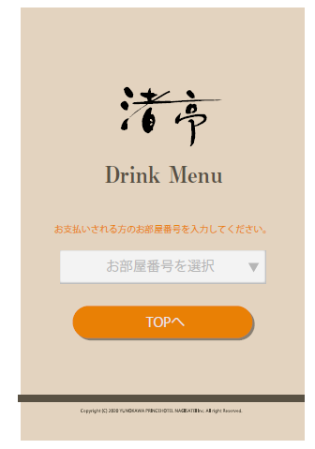

 |  | Guests information will come by method GET then be shown in the list if multiple guests If one guest then redirect to next page directly

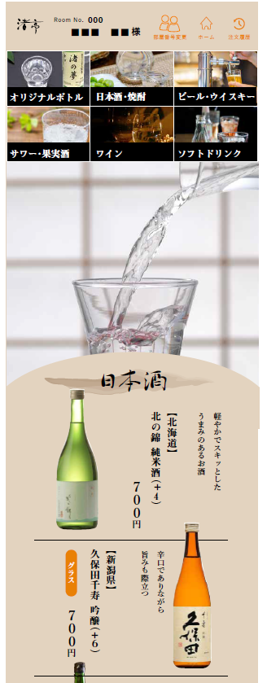

 |  |  | choosen guest information will be displayed here

 |  | the drinks will be ordered one by one so there is no need for a cart once u click on the specific area on the image, a modal will show up and u can choose drink quantity then order that drink

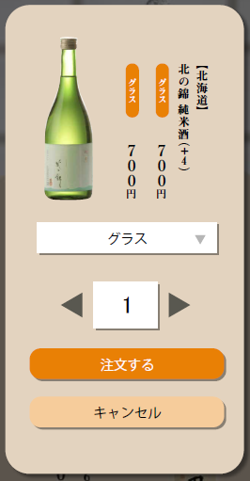

 |  |  |  |  | bottle or cup

 |  |  |  | Quantity

Same as before! Send the data to admin page and to printer !

as the page is not dynamic anymore should think about how to match drink from admin page and guests menu

as the drinks show bottle and cup, should think how to manage that from admin page and guests menu

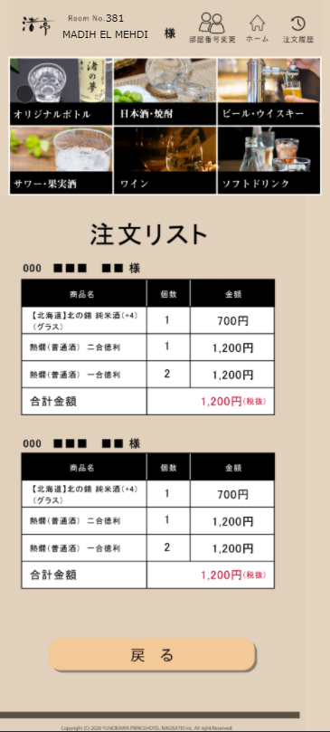
 |  | Drink history

